LOD 400 - CONTROL
 |  |  |  |  |  | 
...
R25- APPROVAL (%) | R26- APPROVAL (%) | R27- APPROVAL (%) | R28- APPROVAL (%) | R29- APPROVAL (%) | R30- APPROVAL (%) | GERAL
N/A | N/A | N/A | N/A | N/A | N/A | N/A
100% | 100% | 100% | 100% | 100% | 100% | 100%
85% | NEXT ROUND | IMPROPER | OUTDATED | OUTDATED | OUTDATED | 85%
N/A | N/A | N/A | N/A | N/A | N/A | N/A
N/A | N/A | N/A | N/A | N/A | N/A | N/A
NEXT ROUND | NEXT ROUND | NEXT ROUND | NEXT ROUND | NEXT ROUND | 100% | 100%
N/A | N/A | N/A | N/A | N/A | N/A | N/A
 | N/A | N/A | N/A | N/A | N/A | N/A
 | 100% | 100% | 100% | 100% | 100% | 100%
 | N/A | N/A | N/A | N/A | N/A | N/A
 | N/A | N/A | N/A | N/A | N/A | N/A
 | NOT PUBLISHED | NOT PUBLISHED | NOT PUBLISHED | NOT PUBLISHED | NOT PUBLISHED | NOT PUBLISHED
 | N/A | N/A | N/A | N/A | N/A | N/A
 | N/A | N/A | N/A | N/A | N/A | N/A
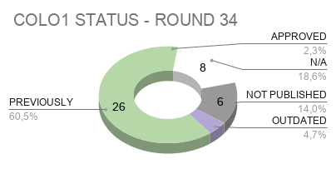
 | N/A | N/A | N/A | N/A | N/A | N/A
 | N/A | N/A | N/A | N/A | N/A | N/A
 | NEXT ROUND | IMPROPER | OUTDATED | OUTDATED | OUTDATED | 71%
 | N/A | N/A | N/A | N/A | N/A | N/A
 | N/A | N/A | N/A | N/A | N/A | N/A
 | N/A | N/A | N/A | N/A | N/A | N/A
 | NOT PUBLISHED | NOT PUBLISHED | NOT PUBLISHED | NOT PUBLISHED | NOT PUBLISHED | NOT PUBLISHED
 | NOT PUBLISHED | NOT PUBLISHED | NOT PUBLISHED | NOT PUBLISHED | NOT PUBLISHED | NOT PUBLISHED
 | N/A | N/A | N/A | N/A | N/A | N/A
 | N/A | N/A | N/A | N/A | N/A | N/A
 | N/A | N/A | N/A | N/A | N/A | N/A
 | N/A | N/A | N/A | N/A | N/A | N/A
 | N/A | N/A | N/A | N/A | N/A | N/A
 | 100% | 100% | 100% | 100% | 100% | 100%
 | N/A | N/A | N/A | N/A | N/A | N/A
 | N/A | N/A | N/A | N/A | N/A | N/A
 | 100% | 100% | 100% | 100% | 100% | 100%
 | N/A | N/A | N/A | N/A | N/A | N/A
 | N/A | N/A | N/A | N/A | N/A | N/A
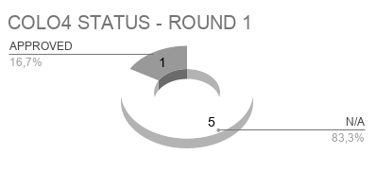
 | N/A | N/A | N/A | N/A | N/A | N/A
 | N/A | N/A | N/A | N/A | N/A | N/A
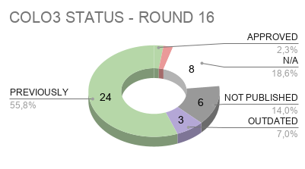
 | N/A | N/A | N/A | N/A | N/A | N/A
 | 100% | 100% | 100% | 100% | 100% | 100%
 | 100% | 100% | 100% | 100% | 100% | 100%
 | N/A | N/A | N/A | N/A | N/A | N/A
 | N/A | N/A | N/A | N/A | N/A | N/A
 | 100% | 100% | 100% | 100% | 100% | 100%
 | 100% | 100% | 100% | 100% | 100% | 100%
 | N/A | N/A | N/A | N/A | N/A | N/A
 | N/A | N/A | N/A | N/A | N/A | N/A
 | 100% | 100% | 100% | 100% | 100% | 100%
 | N/A | N/A | N/A | N/A | N/A | N/A
 | N/A | N/A | N/A | N/A | N/A | N/A
 | 100% | 100% | 100% | 100% | 100% | 100%
 | N/A | N/A | N/A | N/A | N/A | N/A
 | 100% | 100% | 100% | 100% | 100% | 100%
 | N/A | N/A | N/A | N/A | N/A | N/A
 | 100% | 100% | 100% | 100% | 100% | 100%
 | N/A | N/A | N/A | N/A | N/A | N/A
 | 100% | 100% | 100% | 100% | 100% | 100%
 | 100% | 100% | 100% | 100% | 100% | 100%
 | N/A | N/A | N/A | N/A | N/A | N/A
 | N/A | N/A | N/A | N/A | N/A | N/A
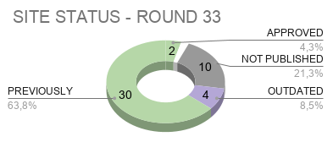
 | 100% | 100% | 100% | 100% | 100% | 100%
 | N/A | N/A | N/A | N/A | N/A | N/A
 | 100% | 100% | 100% | 100% | 100% | 100%
 | N/A | N/A | N/A | N/A | N/A | N/A
 | N/A | N/A | N/A | N/A | N/A | N/A
 | NOT PUBLISHED | NOT PUBLISHED | NOT PUBLISHED | NOT PUBLISHED | NOT PUBLISHED | NOT PUBLISHED
 | 100% | 100% | 100% | 100% | 100% | 100%
 | 100% | 100% | 100% | 100% | 100% | 100%
 | 100% | 100% | 100% | 100% | 100% | 100%
 | NOT PUBLISHED | NOT PUBLISHED | NOT PUBLISHED | NOT PUBLISHED | NOT PUBLISHED | NOT PUBLISHED
 | N/A | N/A | N/A | N/A | N/A | N/A
 | N/A | N/A | N/A | N/A | N/A | N/A
 | 100% | 100% | 100% | 100% | 100% | 100%
 | N/A | N/A | N/A | N/A | N/A | N/A
 | 100% | 100% | 100% | 100% | 100% | 100%
 | N/A | N/A | N/A | N/A | N/A | N/A
 | NEXT ROUND | 1% | OUTDATED | OUTDATED | OUTDATED | 1%
 | NOT PUBLISHED | NOT PUBLISHED | NOT PUBLISHED | NOT PUBLISHED | NOT PUBLISHED | NOT PUBLISHED
 | NOT PUBLISHED | NOT PUBLISHED | NOT PUBLISHED | NOT PUBLISHED | NOT PUBLISHED | NOT PUBLISHED
 | N/A | N/A | N/A | N/A | N/A | N/A
 | N/A | N/A | N/A | N/A | N/A | N/A
 | N/A | N/A | N/A | N/A | N/A | N/A
 | N/A | N/A | N/A | N/A | N/A | N/A
 | N/A | N/A | N/A | N/A | N/A | N/A
 | N/A | N/A | N/A | N/A | N/A | N/A
 | 100% | 100% | 100% | 100% | 100% | 100%
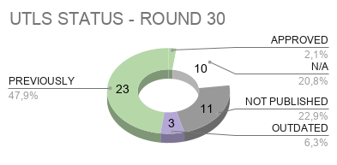
 | N/A | N/A | N/A | N/A | N/A | N/A
 | 100% | 100% | 100% | 100% | 100% | 100%

LOD 400 - UTLS
...
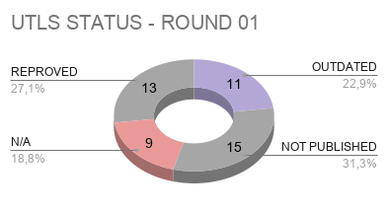 | 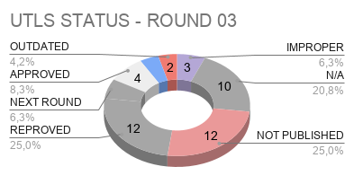

LOD 300 - CONTROL
 |  |  | SPECIFIC AUDIT CONTROL | LOD 300
 | META DO DIA 20/11
 | FILE NAME |  | AREA | TRADE COMPANY | BIM COMPANY
1 | ARCH | ARCHITECTURE | 1
2 | CPQ11-ARCH-ARCH-DATA-R22.rvt | 2 | DATA | ARE ARQUITETURA | ARE ARQUITETURA
3 | CPQ11-ARCH-ARCH-SITE-R22.rvt | 3 | SITE | ARE ARQUITETURA | ARE ARQUITETURA
4 | CPQ11-ARCH-FNSH-DATA-R22.rvt | 4 | DATA | MENDES HOLLER, IDEIA, SERV OBRAS | ARE ARQUITETURA
5 | CPQ11-ARCH-FNSH-SITE-R22.rvt | 5 | SITE | MENDES HOLLER, IDEIA, SERV OBRAS | ARE ARQUITETURA
6 | CPQ11-ARCH-ALUF-DATA-R22.rvt | 6 | DATA | SMVIDROS | ARE ARQUITETURA
7 | CPQ11-ARCH-ALUF-SITE-R22.rvt | 7 | SITE | SMVIDROS | ARE ARQUITETURA
8 | CPQ11-ARCH-FENC-SITE-R22.rvt | 8 | SITE | SERCOP | ARE ARQUITETURA
...

